ASER salt GLR3 1
File: DDELog(Excel:ASER salt GLR3 1 1 1)::
Date: Tue Apr 9 2019 21:26:50.839
0 | Clock reset to 0.0
0.34 | 0 | 8363.75 | 4650.69
1.34 | 0 | 7172.28 | 3965.68
2.34 | 0 | 6874.62 | 3793.25
3.34 | 0 | 6712.57 | 3742.18
4.34 | 0 | 6557.3 | 3698.38
5.34 | 0 | 6560.99 | 3710.43
6.34 | 0 | 6482.24 | 3663.4
7.34 | 0 | 6483.88 | 3682.72
8.34 | 0 | 6455.65 | 3669.49
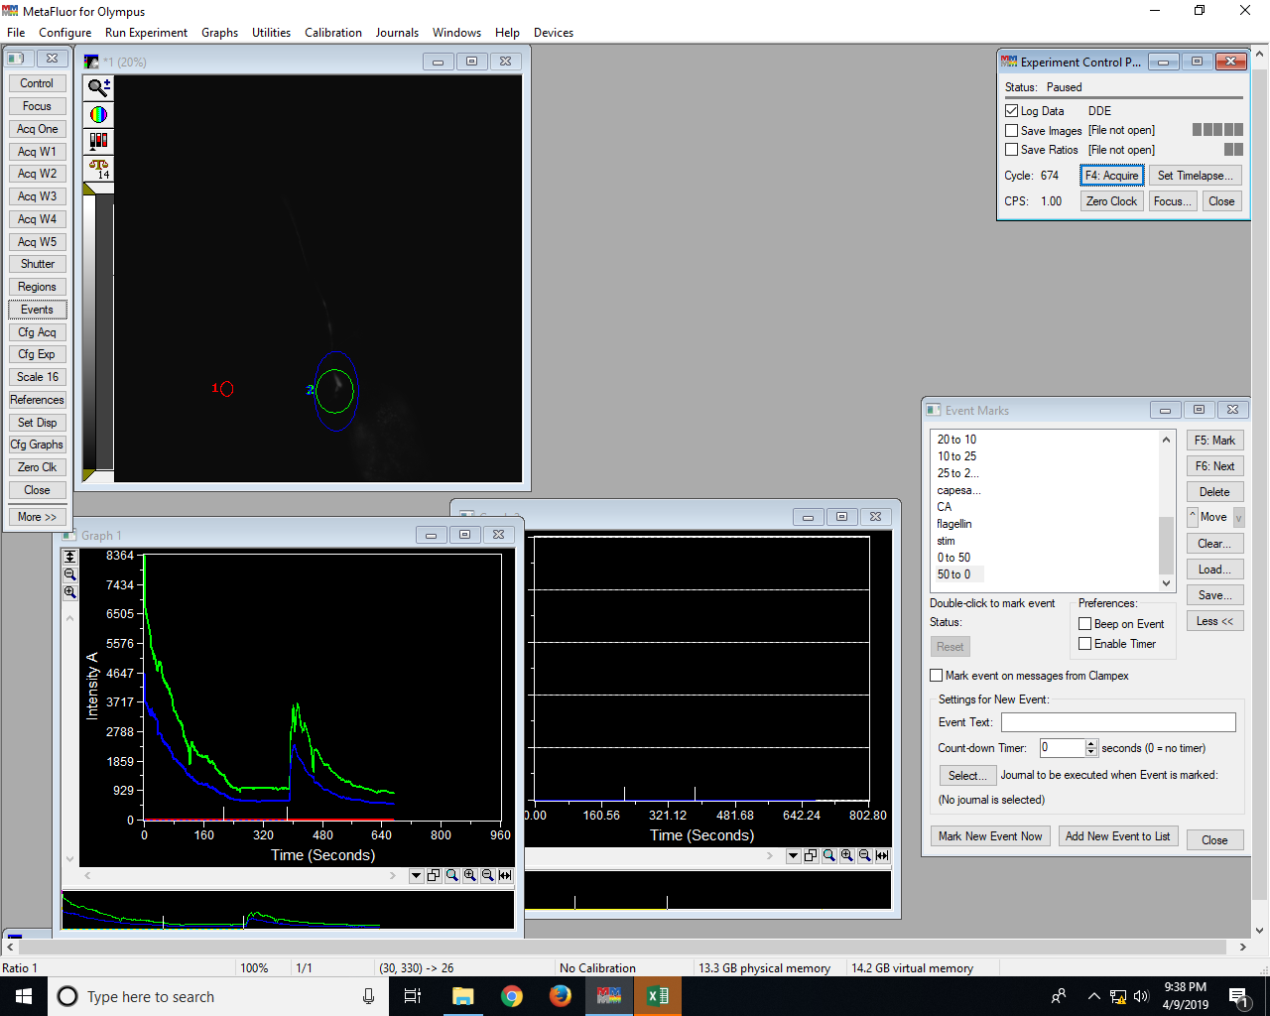
9.34 | 0 | 6363.21 | 3614.07
10.34 | 0 | 6298.39 | 3569.47
11.34 | 0 | 6206.52 | 3516.54
12.34 | 0 | 6120 | 3465.02
13.34 | 0 | 6041.75 | 3422.42
14.34 | 0 | 6048.02 | 3437.85
15.34 | 0 | 5958.83 | 3383.98
16.34 | 0 | 5882.24 | 3350.8
17.34 | 0 | 5846.59 | 3324.93
18.34 | 0 | 5798.23 | 3298.55
19.34 | 0 | 5454.74 | 3496.31
20.34 | 0 | 5407.33 | 3494.25
21.34 | 0 | 5455.1 | 3487.81
22.34 | 0 | 5395.79 | 3402.14
23.34 | 0 | 5326.28 | 3377.66
24.34 | 0 | 5292.8 | 3326.04
25.34 | 0 | 5246.08 | 3290.78
26.34 | 0 | 5219.38 | 3273.11
27.34 | 0 | 5059.81 | 3301.98
28.34 | 0 | 5188.42 | 3347.4
29.34 | 0 | 5182.12 | 3288.49
30.34 | 0 | 5097.72 | 3219.39
31.34 | 0 | 5021.19 | 3151.73
32.34 | 0 | 5018.57 | 3211.81
33.34 | 0 | 4920.3 | 3165.07
34.34 | 0 | 4777.94 | 3162.08
35.34 | 0 | 4723.77 | 3149.51
36.34 | 0 | 4712.37 | 3095.09
37.34 | 0 | 4721.38 | 2846.91
38.34 | 0 | 4821.36 | 2699.2
39.34 | 0 | 5017.43 | 2760.08
40.34 | 0 | 4989.87 | 2742.06
41.34 | 0 | 4960.32 | 2725.33
42.34 | 0 | 5013.31 | 2762.66
43.34 | 0 | 4998.28 | 2753.43
44.34 | 0 | 4925.39 | 2703.53
45.34 | 0 | 4931.65 | 2711.54
46.34 | 0 | 4889.74 | 2685.16
47.34 | 0 | 4834.48 | 2666.2
48.34 | 0 | 4758.46 | 2628.22
49.34 | 0 | 4623.28 | 2562.77
50.34 | 0 | 4547.34 | 2546.34
51.34 | 0 | 4472.69 | 2489.53
52.34 | 0 | 4444.42 | 2470.94
53.34 | 0 | 4399.59 | 2440.76
54.34 | 0 | 4386.36 | 2433.32
55.34 | 0 | 4381.39 | 2431.69
56.34 | 0 | 4316.4 | 2386.96
57.34 | 0 | 4315.19 | 2387.87
58.34 | 0 | 4288.63 | 2386.77
59.34 | 0 | 4355.28 | 2436.31
60.34 | 0 | 4277.99 | 2388.29
61.34 | 0 | 4239.39 | 2369.49
62.34 | 0 | 4201.52 | 2343.87
63.34 | 0 | 4248.15 | 2366.81
64.34 | 0 | 4199.93 | 2339.07
65.34 | 0 | 4161.16 | 2312.26
66.34 | 0 | 4093.49 | 2270.23
67.34 | 0 | 4153.27 | 2304.87
68.34 | 0 | 4125.88 | 2285.73
69.34 | 0 | 4039.21 | 2225.92
70.34 | 0 | 3973.59 | 2184.87
71.34 | 0 | 3947.17 | 2173.69
72.34 | 0 | 4007.01 | 2173.58
73.34 | 0 | 3975.97 | 2156.42
74.34 | 0 | 3920.18 | 2123.43
75.34 | 0 | 3853.68 | 2090.25
76.34 | 0 | 3749.91 | 2065.8
77.34 | 0 | 3664.7 | 2020.86
78.34 | 0 | 3593.69 | 1979.88
79.34 | 0 | 3546.79 | 1955.48
80.34 | 0 | 3516.66 | 1943.32
81.34 | 0 | 3456.51 | 1925.14
82.34 | 0 | 3422.37 | 1915.07
83.34 | 0 | 3410.63 | 1913.38
84.34 | 0 | 3403.86 | 1909.84
85.34 | 0 | 3384.67 | 1897.49
86.34 | 0 | 3375.81 | 1895.24
87.34 | 0 | 3326.98 | 1866.41
88.34 | 0 | 3281.66 | 1839.9
89.34 | 0 | 3279.56 | 1842.34
90.34 | 0 | 3253.44 | 1833.84
91.34 | 0 | 3190.74 | 1811.44
92.34 | 0 | 3137.03 | 1779.89
93.34 | 0 | 3140.09 | 1787.65
94.34 | 0 | 3154.28 | 1797.58
95.34 | 0 | 3115.85 | 1773.54
96.34 | 0 | 3089.85 | 1758.33
97.34 | 0 | 3106.56 | 1767.3
98.34 | 0 | 3088.28 | 1755.31
99.34 | 0 | 3049.7 | 1737.17
100.34 | 0 | 3028.94 | 1736.68
101.34 | 0 | 2994.96 | 1722.65
102.34 | 0 | 2961.1 | 1703.51
103.34 | 0 | 2967.65 | 1705.01
104.34 | 0 | 2882.69 | 1671.3
105.34 | 0 | 2840.9 | 1658.21
106.34 | 0 | 2728.33 | 1650.21
107.34 | 0 | 2641.55 | 1613.95
108.34 | 0 | 2627.27 | 1612.42
109.34 | 0 | 2639.55 | 1639.2
110.34 | 0 | 2591.94 | 1619.7
111.34 | 0 | 2521.45 | 1590.5
112.34 | 0 | 2478.76 | 1573.56
113.34 | 0 | 2539.5 | 1543.82
114.34 | 0 | 2463.49 | 1487.07
115.34 | 0 | 2414.64 | 1458.47
116.34 | 0 | 2379.86 | 1438.46
117.34 | 0 | 2324.78 | 1414.38
118.34 | 0 | 2314.35 | 1413.19
119.34 | 0 | 2354.19 | 1443.34
120.34 | 0 | 2347.6 | 1461.73
121.34 | 0 | 2174.99 | 1429.89
122.34 | 0 | 1913.7 | 1425.17
123.34 | 0 | 1780.63 | 1408.6
124.34 | 0 | 1753.83 | 1384.5
125.34 | 0 | 1911.01 | 1357.74
126.34 | 0 | 2297.97 | 1335.51
127.34 | 0 | 2428.26 | 1345.44
128.34 | 0 | 2460.83 | 1340.37
129.34 | 0 | 2403.5 | 1310.93
130.34 | 0 | 2481.95 | 1367.49
131.34 | 0 | 2431.18 | 1337.61
132.34 | 0 | 2379.21 | 1307.94
133.34 | 0 | 2330.93 | 1287.59
134.34 | 0 | 2293.59 | 1266.07
135.34 | 0 | 2278.76 | 1258.99
136.34 | 0 | 2246.74 | 1240.78
137.35 | 0 | 2207.9 | 1219.79
138.35 | 0 | 2226.06 | 1235.29
139.35 | 0 | 2218.72 | 1229.22
140.35 | 0 | 2196.38 | 1215.52
141.35 | 0 | 2172.26 | 1205.13
142.35 | 0 | 2160.67 | 1199.96
143.35 | 0 | 2138.36 | 1189.94
144.35 | 0 | 2105.86 | 1170.02
145.35 | 0 | 2065.87 | 1147.23
146.35 | 0 | 2049.65 | 1140.08
147.35 | 0 | 2034.53 | 1134.77
148.35 | 0 | 2044.73 | 1144.64
149.35 | 0 | 2028.14 | 1136.5
150.35 | 0 | 2028.34 | 1138.72
151.35 | 0 | 2014.99 | 1131.7
152.35 | 0 | 2038.78 | 1145.75
153.35 | 0 | 2047.72 | 1153.59
154.35 | 0 | 2040.73 | 1149.29
155.35 | 0 | 2047.43 | 1155.45
156.35 | 0 | 2014.94 | 1133.71
157.35 | 0 | 2012.82 | 1131.37
158.35 | 0 | 1984.58 | 1115.51
159.35 | 0 | 1979.02 | 1111.88
160.35 | 0 | 2004.17 | 1128.15
161.35 | 0 | 2006.09 | 1128.83
162.35 | 0 | 1999.23 | 1123.66
163.35 | 0 | 1994.69 | 1120.48
164.35 | 0 | 2012.1 | 1129.71
165.35 | 0 | 1974.84 | 1107.84
166.35 | 0 | 2001.6 | 1123.99
167.35 | 0 | 2050.87 | 1153.05
168.35 | 0 | 2025.21 | 1135.38
169.35 | 0 | 1999.59 | 1119.72
170.35 | 0 | 1992.18 | 1113.36
171.35 | 0 | 1958.81 | 1092.88
172.35 | 0 | 1950.54 | 1087.8
173.35 | 0 | 1914.59 | 1066.75
174.35 | 0 | 1862.58 | 1036.88
175.35 | 0 | 1851.6 | 1032.37
176.35 | 0 | 1825.33 | 1018.71
177.35 | 0 | 1844.11 | 1032.86
178.35 | 0 | 1796.64 | 1005.29
179.35 | 0 | 1838.3 | 1031.7
180.35 | 0 | 1848.81 | 1038.18
181.35 | 0 | 1841.81 | 1034.8
182.35 | 0 | 1809.86 | 1016.9
183.35 | 0 | 1880.95 | 1058.77
184.35 | 0 | 1852.73 | 1043.31
185.35 | 0 | 1817.62 | 1022.84
186.35 | 0 | 1800.19 | 1011.89
187.35 | 0 | 1776.15 | 998.74
188.35 | 0 | 1748.17 | 982.13
189.35 | 0 | 1751.91 | 986.24
190.35 | 0 | 1739.83 | 991.09
191.35 | 0 | 1683.51 | 960.25
192.35 | 0 | 1649.83 | 942.27
193.35 | 0 | 1628.5 | 945.75
194.35 | 0 | 1606.15 | 924.31
195.35 | 0 | 1605.16 | 919.01
196.35 | 0 | 1589.76 | 904.48
197.35 | 0 | 1578.3 | 897.4
198.35 | 0 | 1566.48 | 889.9
199.35 | 0 | 1528.78 | 869.58
200.35 | 0 | 1537.24 | 874.55
201.35 | 0 | 1519.33 | 863.88
202.35 | 0 | 1488.13 | 846.13
203.35 | 0 | 1477.54 | 840.53
204.35 | 0 | 1482.53 | 844.83
205.35 | 0 | 1466.08 | 835.19
206.35 | 0 | 1450.3 | 826.85
207.35 | 0 | 1443.66 | 824.58
208.35 | 0 | 1438.75 | 825.61
209.35 | 0 | 1432.62 | 843.26
210.35 | 0 | 1411.71 | 827.95
211.35 | 0 | 1421.53 | 830.93
212.35 | 0 | 1407.31 | 830.65
213.35 | 0 | 1402.8 | 816.58
213.95 | 0 to 50
214.35 | 0 | 1403.37 | 811.17
215.35 | 0 | 1415.69 | 837.78
216.35 | 0 | 1415.15 | 835.98
217.35 | 0 | 1380.37 | 809.99
218.35 | 0 | 1331.88 | 776.47
219.35 | 0 | 1298.95 | 760.18
220.35 | 0 | 1279.58 | 765.75
221.35 | 0 | 1252.72 | 760.4
222.35 | 0 | 1230.2 | 754.31
223.35 | 0 | 1213.33 | 744.16
224.35 | 0 | 1201.43 | 732.85
225.35 | 0 | 1188.31 | 720.91
226.35 | 0 | 1170.83 | 708.66
227.35 | 0 | 1155.29 | 698.66
228.35 | 0 | 1137.62 | 697.7
229.35 | 0 | 1125.13 | 690.75
230.35 | 0 | 1113.81 | 681.84
231.35 | 0 | 1102.3 | 676.43
232.35 | 0 | 1091.79 | 673.39
233.35 | 0 | 1074.84 | 679.06
234.35 | 0 | 1066.46 | 672.12
235.35 | 0 | 1056.14 | 663.51
236.35 | 0 | 1048.54 | 658.88
237.35 | 0 | 1040.34 | 653.96
238.35 | 0 | 1025.67 | 654.63
239.35 | 0 | 1017.77 | 653.19
240.35 | 0 | 1008.41 | 650.36
241.35 | 0 | 996.57 | 646.13
242.35 | 0 | 995.01 | 641.24
243.35 | 0 | 998.08 | 637.98
244.35 | 0 | 1003.97 | 633.43
245.35 | 0 | 1007.39 | 634.39
246.35 | 0 | 1005.71 | 635.67
247.35 | 0 | 1000.75 | 635.84
248.35 | 0 | 996.69 | 636.31
249.35 | 0 | 990.62 | 637.07
250.35 | 0 | 977.83 | 639.03
251.35 | 0 | 958.34 | 638.43
252.35 | 0 | 949.1 | 639.12
253.35 | 0 | 935.62 | 643.28
254.35 | 0 | 930.42 | 643.97
255.35 | 0 | 930.79 | 641.04
256.35 | 0 | 926.45 | 640.78
257.35 | 0 | 929.38 | 638.05
258.35 | 0 | 954.5 | 629.73
259.35 | 0 | 885.8 | 643.64
260.35 | 0 | 995.23 | 583.7
261.35 | 0 | 994.1 | 584.88
262.35 | 0 | 995.8 | 586
263.35 | 0 | 999.59 | 587.24
264.35 | 0 | 997.34 | 587.59
265.35 | 0 | 997.36 | 587.32
266.35 | 0 | 995.04 | 585.83
267.35 | 0 | 993.57 | 584.75
268.35 | 0 | 992.73 | 584.26
269.35 | 0 | 991.25 | 583.24
270.35 | 0 | 991.92 | 582.88
271.35 | 0 | 995.15 | 585.57
272.35 | 0 | 1001.07 | 590.45
273.35 | 0 | 1003.42 | 592.96
274.35 | 0 | 1002.87 | 592.56
275.35 | 0 | 1000.03 | 591.65
276.35 | 0 | 998.77 | 590.73
277.35 | 0 | 997.36 | 590.24
278.35 | 0 | 995.59 | 589.38
279.35 | 0 | 993.77 | 588.34
280.35 | 0 | 992.86 | 588.62
281.35 | 0 | 992.44 | 587.47
282.35 | 0 | 994.37 | 589.31
283.35 | 0 | 992.08 | 587.15
284.35 | 0 | 991 | 586.27
285.35 | 0 | 991.99 | 586.37
286.35 | 0 | 995.34 | 586.17
287.35 | 0 | 1000.2 | 590.03
288.35 | 0 | 1002.73 | 590.35
289.35 | 0 | 1004.52 | 592.54
290.35 | 0 | 1002.25 | 595.76
291.35 | 0 | 995.86 | 594.54
292.35 | 0 | 991.89 | 594.87
293.35 | 0 | 987.72 | 593.56
294.35 | 0 | 985.85 | 595.43
295.35 | 0 | 981.42 | 597.53
296.35 | 0 | 987.61 | 594.97
297.35 | 0 | 990.06 | 592.65
298.35 | 0 | 988.67 | 590.63
299.35 | 0 | 988.38 | 591.03
300.35 | 0 | 987.52 | 589.7
301.35 | 0 | 988.5 | 589.5
302.35 | 0 | 993.27 | 587.03
303.35 | 0 | 994.66 | 582.17
304.35 | 0 | 989.2 | 579.14
305.35 | 0 | 987.79 | 577.61
306.35 | 0 | 987.18 | 576.56
307.35 | 0 | 986.92 | 576.36
308.35 | 0 | 987.06 | 576.62
309.35 | 0 | 987.35 | 577.77
310.35 | 0 | 987.24 | 577.61
311.35 | 0 | 988.26 | 578.58
312.35 | 0 | 988.7 | 579.01
313.35 | 0 | 990.43 | 580.21
314.35 | 0 | 1000.33 | 585.65
315.35 | 0 | 1003.65 | 587.75
316.35 | 0 | 1004.44 | 589.6
317.35 | 0 | 1005.73 | 590.65
318.35 | 0 | 1004.68 | 589.67
319.35 | 0 | 1011.28 | 594.65
320.35 | 0 | 1009.03 | 593.31
321.35 | 0 | 1005.4 | 590.88
322.35 | 0 | 1001.36 | 587.91
323.35 | 0 | 1000.43 | 587.14
324.35 | 0 | 1005.79 | 589.78
325.35 | 0 | 1009.21 | 592.92
326.35 | 0 | 1006.41 | 591.1
327.35 | 0 | 1001.53 | 587.8
328.35 | 0 | 1000.91 | 587.29
329.35 | 0 | 1000.48 | 586.53
330.35 | 0 | 1002.87 | 587.39
331.35 | 0 | 1001.71 | 586.29
332.35 | 0 | 1004.7 | 588
333.35 | 0 | 1004.49 | 587.52
334.35 | 0 | 1005.91 | 588.33
335.35 | 0 | 1004.77 | 587.21
336.35 | 0 | 1008.6 | 590.17
337.35 | 0 | 1010.8 | 591.43
338.35 | 0 | 1011.52 | 592.52
339.35 | 0 | 1009.16 | 592.81
340.35 | 0 | 1001.76 | 589.44
341.35 | 0 | 998.42 | 588.58
342.35 | 0 | 1001.07 | 590.2
343.35 | 0 | 1001.93 | 591.03
344.35 | 0 | 1006.19 | 596.8
345.35 | 0 | 1002.78 | 598.48
346.35 | 0 | 999.59 | 598.61
347.35 | 0 | 995.47 | 595.51
348.35 | 0 | 986.73 | 592.51
349.35 | 0 | 985.59 | 592.88
350.35 | 0 | 989.42 | 605.08
...

